Recycle
UNIVERSITY OF MALAYA : ZERO WASTE CAMPAIGN

PERIOD : | 2019-01-01

DATE | FOOD WASTE (A) | FOOD WASTE (B) | GREEN WASTE | TEXTILE WASTE | WOOD WASTE | BOX | PAPER | PLASTIC (MIX) | STEEL | CAN/ALUMINIUM/GLASSS | E-WASTE | OTHERS | COWTEC LIQUID | COWTEC GAS | RAW COMPOST | ORGANIC FERTILIZER
 | (kg) | (kg) | (kg) | (kg) | (kg) | (kg) | (kg) | (kg) | (kg) | (kg) | (kg) | (kg) | (kg) | (m3/kg) | (kg) | (kg)
1 | - | - | - | - | - | - | - | - | - | - | - | - | - | - | - | -
2 | 78 | - | 34 | - | - | - | - | - | - | - | - | - | - | - | - | - | TOTAL WASTE RECYCLED BY UM ZWC (kg) | 8,505
3 | 267 | - | 130 | - | - | - | - | - | - | - | - | - | - | - | - | -
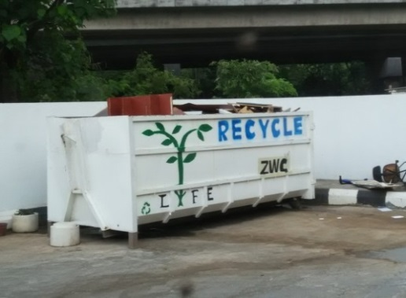
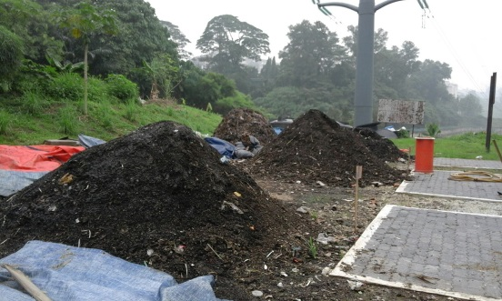
4 | 168 | - | 72 | - | - | - | - | - | - | - | - | - | - | - | - | - | TOTAL WASTE DISPOSED TO LANDFILL (kg) | 70,760
5 | 260 | - | 70 | - | - | - | - | - | - | - | - | - | - | - | - | -
6 | 250 | - | 71 | - | - | - | - | - | - | - | - | - | - | - | - | - | WASTE DISPOSED TO LANDFILL (kg)
7 | - | 8 | - | - | - | 1300 | 350 | 3000 | 70 | 150 | - | - | - | - | - | - | WET WASTE (MIX) | 21,950
8 | 295 | - | 68 | - | - | - | - | - | - | - | - | - | - | - | - | - | DRY WASTE (LANDSCAPE) | 48,810
9 | 140 | - | 63 | - | - | - | - | - | - | - | - | - | - | - | - | -
10 | 230 | - | 83 | - | - | - | - | - | - | - | - | - | - | - | - | - | WASTE RECYCLED BY UM ZWC (kg)
11 | 200 | - | 101 | - | - | - | - | - | - | - | - | - | - | - | - | - | FOOD WASTE COMPOST (OPEN AIR PILES) | 2,655
12 | 280 | - | 80 | - | - | - | - | - | - | - | - | - | - | - | - | - | FOOD WASTE DIGESTED (ANAEROBIC DIGESTION) | 17
13 | 205 | - | 80 | - | - | - | - | - | - | - | - | - | - | - | - | - | GREEN WASTE COMPOST (OPEN AIR PILES) | 963 | Wood waste collection | Compost piles
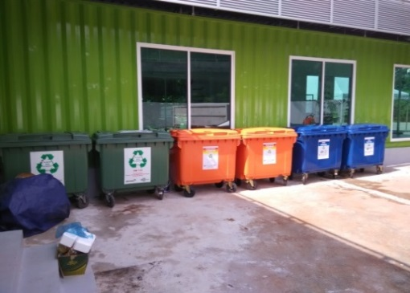
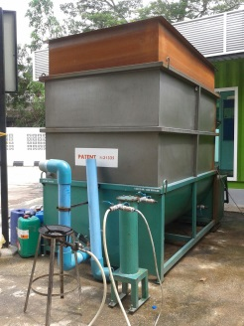
14 | 152 | - | 51 | - | - | - | - | - | - | - | - | - | - | - | - | - | TEXTILE WASTE RECYCLED/REUSED | -
15 | - | - | - | - | - | - | - | - | - | - | - | - | - | - | - | - | WOOD WASTE (WASTE to ENERGY) | -
16 | - | - | - | - | - | - | - | - | - | - | - | - | - | - | - | - | WASTE/MATERIAL SEPARATED & COLLECTED | 4,870
17 | 130 | 9 | 60 | - | - | - | - | - | - | - | - | - | - | - | - | -
18 | - | - | - | - | - | - | - | - | - | - | - | - | - | - | - | - | BY-PRODUCTS OF UM ZWC
19 | - | - | - | - | - | - | - | - | - | - | - | - | - | - | - | - | RAW DRIED COMPOST | -
20 | - | - | - | - | - | - | - | - | - | - | - | - | - | - | - | - | ORGANIC FERTILIZER PRODUCED | -
21 | - | - | - | - | - | - | - | - | - | - | - | - | - | - | - | - | COWTEC LIQUID | -
22 | - | - | - | - | - | - | - | - | - | - | - | - | - | - | - | - | COWTEC GAS | -
23 | - | - | - | - | - | - | - | - | - | - | - | - | - | - | - | - |  |  | Recycle bins | Cowtec anaerobic digester
24 | - | - | - | - | - | - | - | - | - | - | - | - | - | - | - | -
25 | - | - | - | - | - | - | - | - | - | - | - | - | - | - | - | - | Notes:-
26 | - | - | - | - | - | - | - | - | - | - | - | - | - | - | - | - | 1.) Food waste (A) : Food waste being compost with "aerated static piles" method by ZWC staff
27 | - | - | - | - | - | - | - | - | - | - | - | - | - | - | - | - | 2.) Food waste (B) : Food waste being digest using COWTEC ® "anaerobic digestion" machine
28 | - | - | - | - | - | - | - | - | - | - | - | - | - | - | - | - | 3.) Material recycling : Data obtained from "Zie Enterprise" who collected from JPPHB general workers
29 | - | - | - | - | - | - | - | - | - | - | - | - | - | - | - | - | 4.) Green waste : Leaves, dried leaves, small branch which are composted using "aerated static piles" by ZWC workers
30 | - | - | - | - | - | - | - | - | - | - | - | - | - | - | - | - | 5.) Textile waste : Used clothes from UM community collected at 10 special bin by "Life Line Clothings" for reused and recycled purposes
31 | - | - | - | - | - | - | - | - | - | - | - | - | - | - | - | - | 6.) Wood waste : Used/damaged wood furniture & big branch collected by "TSP Waste Management" for "boiler" purposes at paper factory
SUM | 2655 | 17 | 963 | - | - | 1300 | 350 | 3000 | 70 | 150 | - | - | - | - | - | -

TOTAL WASTE RECYCLED & DISPOSED (kg)
 | Series 1
TOTAL WASTE RECYCLED BY UM ZWC (kg) | 8,505
TOTAL WASTE DISPOSED TO LANDFILL (kg) | 70,760
WASTE COMPOST & DIGESTED BY UM ZWC (kg)
TOTAL WASTE RECYCLED BY UM ZWC (kg)

 |  |  |  |  |  |  |  |  |  |  |  |  |  |  |  |  |  |  |  |  | -

Landfill
UNIVERSITY OF MALAYA : ZERO WASTE CAMPAIGN

PERIOD : | 2019-01-01

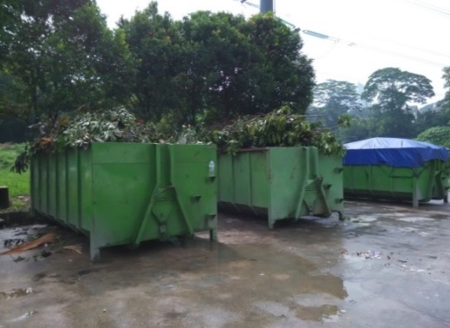
DATE | WET WASTE (MIX) | DRY WASTE (LANDSCAPE)
 | (kg) | (kg)
1 | - | -
2 | 3390 | 4020
3 | 3130 | 4450
4 | 3530 | 5790
5 | - | 6290
6 | 1970 | -
7 | 140 | 6490
8 | - | -
9 | - | -
10 | 1820 | 8550
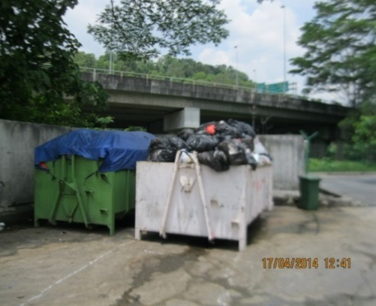
11 | - | -
12 | 3610 | 6410
13 | - | -
14 | - | -
15 | - | -
16 | - | -
17 | - | -
18 | 4360 | 6810
19 | - | -
20 | - | -
21 | - | -
22 | - | -
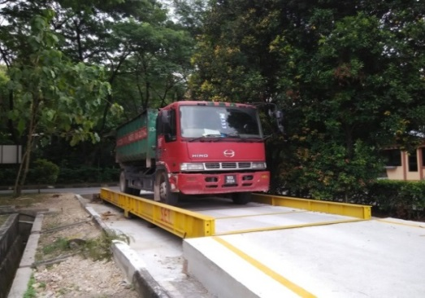
23 | - | -
24 | - | -
25 | - | -
26 | - | -
27 | - | -
28 | - | -
29 | - | -
30 | - | -
31 | - | -
SUM | 21950 | 48810

Nota:
Sisa baki (Alam Flora) dihantar ke tapak pelupusan Bukit Tagar
Sisa baki (Kontraktor) dihantar ke tapak pelupusan bersanitari Tanjung 12
Sisa kebun dihantar ke tapak pelupusan lengai MPKj

